Max conc
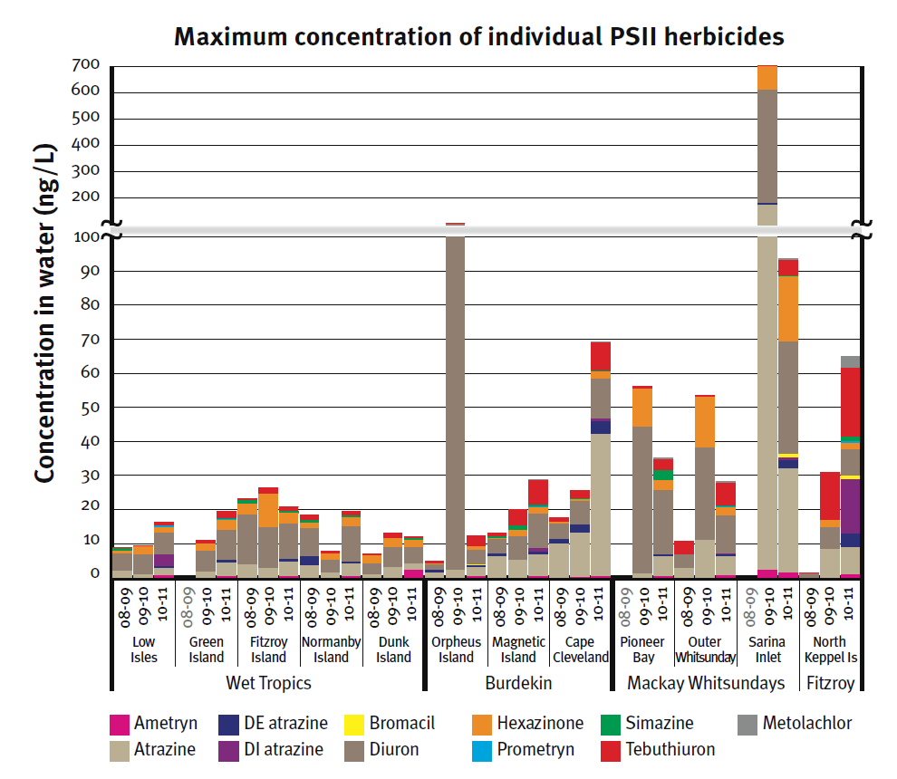
Maximum concentration of individual PSII herbicides in 2008-2009 (ng/L) |  |  |  |  |  |  |  |  |  |  |  |  | type | PSII Trends
Region | Site | Ametryn | Atrazine | Desethyl atrazine | Desisopropyl atrazine | Bromacil | Diuron | Hexazinone | Prometryn | Simazine | Tebuthiuron | Metolachlor | title | Maximum concentration of individual PSII herbicides in 2008-2009 (ng/L)
Wet Tropics | Low Isles |  | 2 |  |  |  | 5 | 0.9 |  | 0.8 | 0.1 |  | range axis title | Concentration (ng/L)
 | Green Island |  |  |  |  |  |  |  |  |  |  |  | domain axis title | Regions
 | Fitzroy Island |  | 3.7 |  |  |  | 14.8 | 3 |  | 1.3 | 0.3
 | Normanby Island |  | 3.5 | 2.6 |  |  | 8.4 | 1.6 |  | 0.7 | 1.5
 | Dunk Island |  | 1 |  |  |  | 3.2 | 2.3 |  |  | 0.5
Burdekin | Orpheus Island |  | 1.4 | 0.7 |  |  | 1.7 | 0.3 |  |  | 0.8
 | Magnetic Island |  | 6.3 | 0.6 |  |  | 4.4 | 0.3 |  | 0.4 | 1.2
 | Cape Cleveland |  | 10 | 1.2 |  |  | 4.6 | 0.6 |  |  | 1.3
Mackay Whitsundays | Pioneer Bay
 | Outer Whitsunday |  | 2.7 |  |  |  | 3.9 |  |  |  | 4.1
 | Sarina Inlet
Fitzroy | North Keppel Island |  |  |  |  |  | 1.1 |  |  |  | 0.2

Maximum concentration of individual PSII herbicides in 2009-2010 (ng/L)
Region | Site | Ametryn | Atrazine | Desethyl atrazine | Desisopropyl atrazine | Bromacil | Diuron | Hexazinone | Prometryn | Simazine | Tebuthiuron | Metolachlor
Wet Tropics | Low Isles |  | 0.9 |  |  |  | 5.7 | 2.6 |  |  | 0.3
 | Green Island |  | 1.6 |  |  |  | 6.2 | 2.2 |  |  | 0.9
 | Fitzroy Island |  | 2.7 |  |  |  | 12.0 | 9.9 |  |  | 1.9
 | Normanby Island |  | 1.5 |  |  |  | 3.6 | 1.9 |  |  | 0.9
 | Dunk Island |  | 3.0 |  |  |  | 5.9 | 2.6 |  |  | 1.6
Burdekin | Orpheus Island |  | 2.2 |  |  |  | 100.0 | 0.9 |  |  | 2.8
 | Magnetic Island |  | 5.1 |  |  |  | 6.9 | 1.8 |  | 1.5 | 4.7
 | Cape Cleveland | 0.1 | 13.0 | 2.5 |  |  | 6.7 | 0.6 |  | 0.4 | 2.2
Mackay Whitsundays | Pioneer Bay |  | 1.1 |  |  |  | 43.0 | 11.2 |  |  | 0.9
 | Outer Whitsunday |  | 11.0 |  |  |  | 27.0 | 15.0 |  |  | 0.6
 | Sarina Inlet | 2.3 | 170.2 | 8.2 |  |  | 428.8 | 91.2 |  |  | 0.7
Fitzroy | North Keppel Island |  | 8.4 |  |  |  | 6.4 | 2.1 |  |  | 14.0

Maximum concentration of individual PSII herbicides in 2010-2011 (ng/L)
Region | Site | Ametryn | Atrazine | Desethyl atrazine | Desisopropyl atrazine | Bromacil | Diuron | Hexazinone | Prometryn | Simazine | Tebuthiuron | Metolachlor
Wet Tropics | Low Isles | 0.62 | 2.10 | 0.43 | 3.60 |  | 6.45 | 1.60 | 1.00 | 10.00 | 0.92 | 0.06
 | Green Island | 0.45 | 3.90 | 0.78 |  |  | 8.90 | 2.80 | 2.00 | 12.00 | 2.00 | 0.09
 | Fitzroy Island | 0.47 | 4.10 | 0.70 |  |  | 10.40 | 3.20 | 3.00 | 8.00 | 1.30 | 0.08
 | Normanby Island | 0.46 | 3.60 | 0.66 |  |  | 10.20 | 2.80 | 4.00 | 7.00 | 1.40 | 0.08
 | Dunk Island | 2.20 | 1.80 | 0.00 |  |  | 4.80 | 2.30 | 5.00 | 6.00 | 0.44
Burdekin | Orpheus Island | 0.47 | 2.60 | 0.48 |  | 0.18 | 4.40 | 0.98 | 6.00 | 4.00 | 3.00 | 0.10
 | Magnetic Island | 0.39 | 6.30 | 0.94 | 0.93 |  | 10.00 | 2.10 | 7.00 | 11.00 | 7.10 | 0.25
 | Cape Cleveland | 0.31 | 41.70 | 3.90 | 0.71 |  | 11.60 | 2.30 | 8.00 | 10.00 | 8.20 | 0.36
Mackay Whitsundays | Pioneer Bay | 0.40 | 5.90 | 0.50 |  |  | 18.90 | 2.70 | 9.00 | 3.00 | 3.30 | 0.36
 | Outer Whitsunday | 0.64 | 5.50 | 0.66 | 0.29 |  | 11.00 | 2.50 | 19.00 | 0.40 | 6.50 | 0.59
 | Sarina Inlet | 1.50 | 30.60 | 2.40 | 0.74 | 0.87 | 33.00 | 19.30 | 0.05 | 0.23 | 4.50 | 0.50
Fitzroy | North Keppel Island | 0.90 | 8.00 | 4.00 | 16.00 | 0.83 | 7.90 | 1.80 | 0.42 | 1.50 | 20.27 | 3.20

